Cover
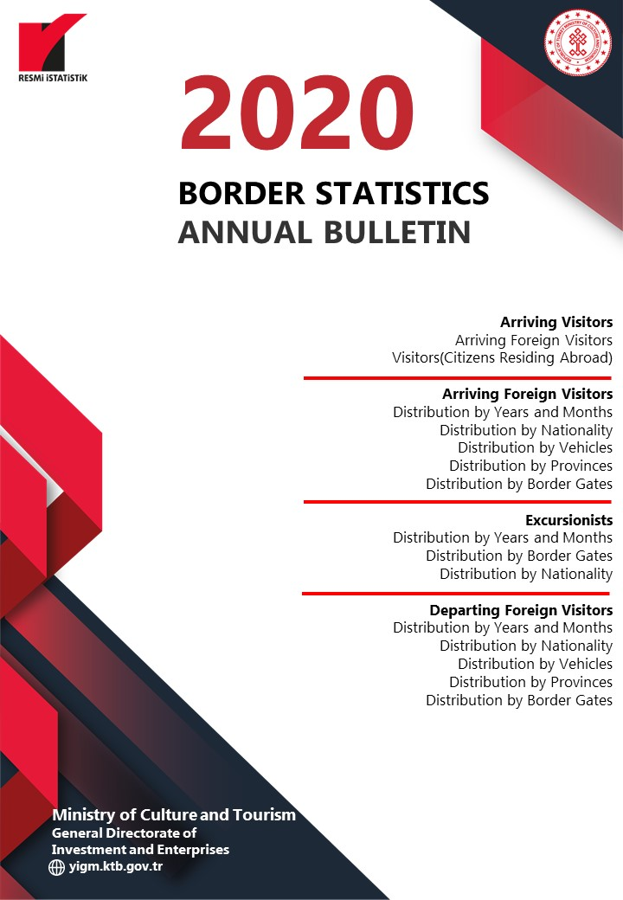

Persons
Ministry of Culture and Tourism, Republic of Turkey reserves all the rights of this publication. Unauthorized duplication or distribution of this publication is prohibited under Law No: 5846.

PUBLICATION NO: 2020 /4
ISSN – 1300 - 6932

FOR INFORMATION
ADDRESS :
REPUBLIC OF TURKEY MINISTRY OF CULTURE AND TOURISM
GENERAL DIRECTORATE OF INVESTMENT AND ENTERPRISES
DEPARMENT OF RESEARCH AND EVALUATION
İSMET İNÖNÜ BULVARI NO : 32
EMEK/ANKARA
TELEPHONE :
+ (312) 470 71 17 + (312) 470 71 38 + (312) 470 80 00
FAX :
+ (312) 212 20 05

E-Mail : istatistik@ktb.gov.tr Internet Web : http:// www.ktb.gov.tr

MANAGEMENT
DATA PROCESSING AND EVALUATION

GENERAL DIRECTOR : ŞENNUR ALDEMİR DOĞAN
DEPUTY GENERAL DIRECTOR : Dr. ZEHRA GAMGAM
HEAD OF DEPARTMENT : HALİL SAĞKURT
HEAD OF SECTION :

DATA EVALUATION : HÜDAVERDİ ARIK Statistician
DATA PROCESSING : HÜDAVERDİ ARIK Statistician
: MUKADDES GÜLEÇ Computer Operator
: H. AVNİ ALTINDAL Employee

Graphics-1
ARRIVING FOREIGN VISITORS (2011-2020)
ARRIVING FOREIGN VISITORS (2010-2019)
 | Arriving Foreign Visitor
2011 | 31456076
2012 | 31782832
2013 | 34910098
2014 | 36837900
2015 | 36244632
2016 | 25352213
2017 | 32410034
2018 | 39488401
2019 | 45058286
2020 | 12734213

Graphics-2
DEPARTING FOREIGN VISITORS (2011-2020)
TÜRKİYE'DEN ÇIKAN YABANCI ZİYARETÇİLER (2010-2019)
 | Departing Foreign Visitor
2011 | 31324528
2012 | 31655188
2013 | 34686402
2014 | 36507184
2015 | 35903327
2016 | 25432123
2017 | 32382449
2018 | 39304178
2019 | 45105116
2020 | 13092545

Graphics-3
ARRIVING FOREIGN VISITORS BY MONTHS (2019-2020)
ARRIVING FOREIGN VISITORS BY MONTHS (2018-2019)
 | JANUARY | FEBRUARY | MARCH | APRIL | MAY | JUNE | JULY | AUGUST | SEPTEMBER | OCTOBER | NOVEMBER | DECEMBER
2019 | 1539496 | 1670238 | 2232358 | 3293176 | 4022254 | 5318984 | 6617380 | 6307508 | 5426818 | 4291574 | 2190622 | 2147878
2020 | 1787435 | 1733112 | 718097 | 24238 | 29829 | 214768 | 932927 | 1814701 | 2203482 | 1742303 | 833991 | 699330

Graphics-4
FOREIGN EXCURSIONIST ARRIVALS BY MONTHS (2019-2020)
FOREIGN EXCURSIONIST ARRIVALS BY MONTHS (2018-2019)
 | JANUARY | FEBRUARY | MARCH | APRIL | MAY | JUNE | JULY | AUGUST | SEPTEMBER | OCTOBER | NOVEMBER | DECEMBER
2019 | 7589 | 8565 | 13594 | 33640 | 58228 | 60198 | 77293 | 84888 | 75094 | 54225 | 34240 | 31164
2020 | 15315 | 8341 | 6427 | 2557 | 2090 | 3865 | 3412 | 5227 | 4182 | 3852 | 3546 | 3627

Graphics-5
FOREIGN VISITOR ARRIVALS BY NATIONALITIES (2019- 2020) (TOP TEN)
MİLLİYETLERİNE GÖRE GELEN YABANCI ZİYARETÇİLER - 2018 - 2019 (İLK 10)
 | Russia Fed. | Bulgaria | Germany | Ukraine | United Kingdom (UK) | Georgia | Iraq | Iran | France | Netherlands
2019 | 7017657 | 2713464 | 5027472 | 1547996 | 2562064 | 1995254 | 1374896 | 2102890 | 875957 | 1117290
2020 | 2128758 | 1242961 | 1118932 | 997652 | 820709 | 410501 | 387587 | 385762 | 311708 | 271526

(*): Citizens residing abroad are not included.

